Example Migration
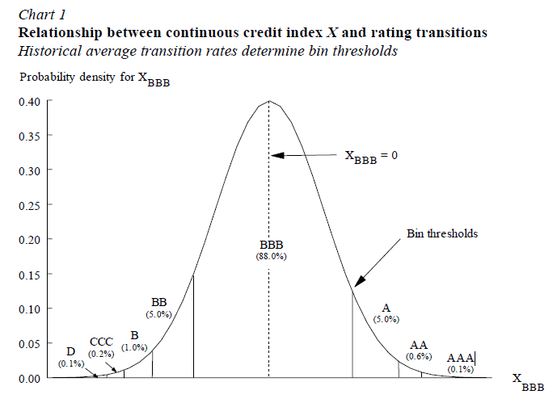
In the below the rating Migrations for 'A' counterparties are illustrated under a one factor Vasicek-Merton model
See als: "A one-parameter representation of credit risk and transition matrices from Belkin & Suchower (1998))

Rating Matrix Inputs (From 'A' rating only)

Ratings To | AAA | AA | A | BBB | BB | B | CCC | D
Rating From (A) | 0.055% | 2.595% | 91.138% | 5.509% | 0.499% | 0.107% | 0.045% | 0.052%
Cumulative Probability | 0.055% | 2.650% | 93.788% | 99.297% | 99.796% | 99.903% | 99.948% | 100.000%
Lower bound (Method 1 - worst rating first) | infinity | 3.264 | 1.935 | (1.537) | (2.456) | (2.872) | (3.099) | (3.279)
Lower bound (Method 2 - best rating first) | infinity | 3.264 | 1.935 | (1.537) | (2.456) | (2.872) | (3.099) | (3.279)
Upper bound | 3.264 | 1.935 | (1.537) | (2.456) | (2.872) | (3.099) | (3.279) | -infinity
Bins | [infinity,3.264) | [3.264,1.935) | [1.935,-1.537) | [-1.537,-2.456) | [-2.456,-2.872) | [-2.872,-3.099) | [-3.099,-3.279) | [-3.279,-infinity)

Correlation Common Factor | 30%

Rating Simulation (2 counterparties, same A rating)

Step 1: Simulate independent Gaussian Numbers |  |  |  |  | Step 2: Correlation Gaussians |  |  | Step 3: Simulated Ratings
(Y=common factor, Epsilon idiosyncratic term) |  |  |  |  | (e.g. X_1 Gaussian Draw Counterparty 1) |  |  | (press F9 to simulate new outcomes)

Scenario | Y | Epsilon_1 | Epsilon_2 |  | X_1 | X_2 |  | Rating_1 | Rating_2
1 | 0.3073 | 0.9304 | 0.8950 |  | 0.9467 | 0.9171 |  | A | A
2 | (0.2289) | (0.7943) | 0.7189 |  | (0.7899) | 0.4761 |  | A | A
3 | 0.5855 | 1.2242 | (0.8787) |  | 1.3449 | (0.4145) |  | A | A
4 | (0.5050) | 0.1783 | (1.2776) |  | (0.1274) | (1.3455) |  | A | A
5 | (1.3083) | 1.3421 | (0.4649) |  | 0.4063 | (1.1056) |  | A | A
6 | 1.6002 | (0.0949) | 0.1510 |  | 0.7971 | 1.0029 |  | A | A
7 | 1.8057 | 0.1747 | 0.7052 |  | 1.1352 | 1.5790 |  | A | A
8 | (1.0361) | 0.1678 | 0.8976 |  | (0.4271) | 0.1835 |  | A | A
9 | (0.5116) | (0.0960) | 0.3772 |  | (0.3606) | 0.0353 |  | A | A
10 | (0.7730) | (2.0516) | (1.8107) |  | (2.1399) | (1.9384) |  | BBB | BBB

